Design User Interface
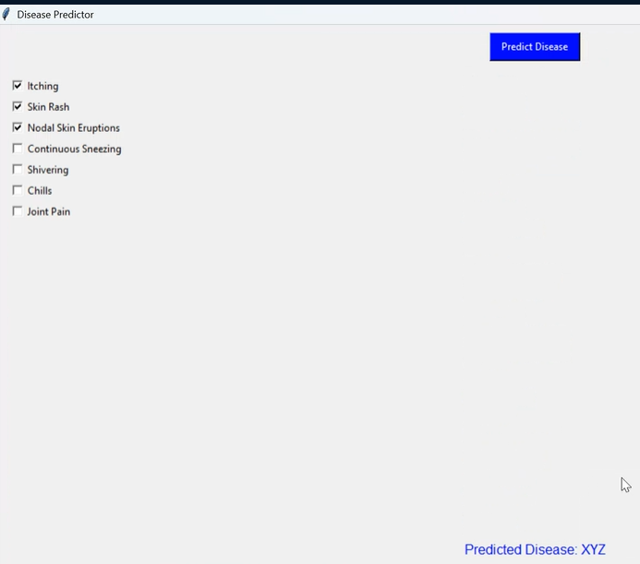
SELECT SYMPTOMS:-
WELCOME TO SYMPTORA


PREDICT DISEASE

PREDICTED DISEASE = XYZ
PROCEED

Sheet1
THANK YOU

